Feuil1
HELI-LAUSANNE HUGHES 300 HB-ZLB WEIGHT AND BALANCE CALCULATION

version 10,12,2015 |  | Weight (lbs) | Weight (Kg.) | Long | Moment | Lat. | Moment | Date:
 |  | lbs | kg | Arm |  | Arm |  | Pilote:
Empty weight (AFM) |  | 1237.00 | 561 | 99.7 | 123325.00 | -0.3 | -403.4
Pilot - Left seat |  | 0 | 0 | 83.2 | 0.00 | -13.80 | 0 | Fuel Loading Table
Pass. Center |  | 0 | 0 | 80.2 | 0.00 | 0.75 | 0 | consommation |  | à l'heure | 11 usg/66lbs/30 kg
Pass. Right |  | 0 | 0 | 83.2 | 0.00 | 13.80 | 0 | 1 lbs |  | = | 0.45359 kg
 |  |  |  | C.G. 1 |  | C.G. 1 |  | 1 kg |  | = | 2,2 lbs
Zero fuel weight |  | 1237.00 |  | 99.70 | 123325.00 | -0.33 | -403.4 | 1 USG AVGAS |  | = | 6 lbs
 |  |  |  |  |  |  |  | 1 USG AVGAS |  | = | 2,72 kg
Fuel au départ USG | 0 | 0 | 0 | 108.5 | 0.00 | +00.0 | 0 | (Usable Fuel)
 |  |  |  | C.G. 2 |  | C.G. 2 |  | AVGAS , 100LL
Take-off weight |  | 1237 |  | 99.70 | 123325.00 | -0.33 | -403.4 | US Gallons

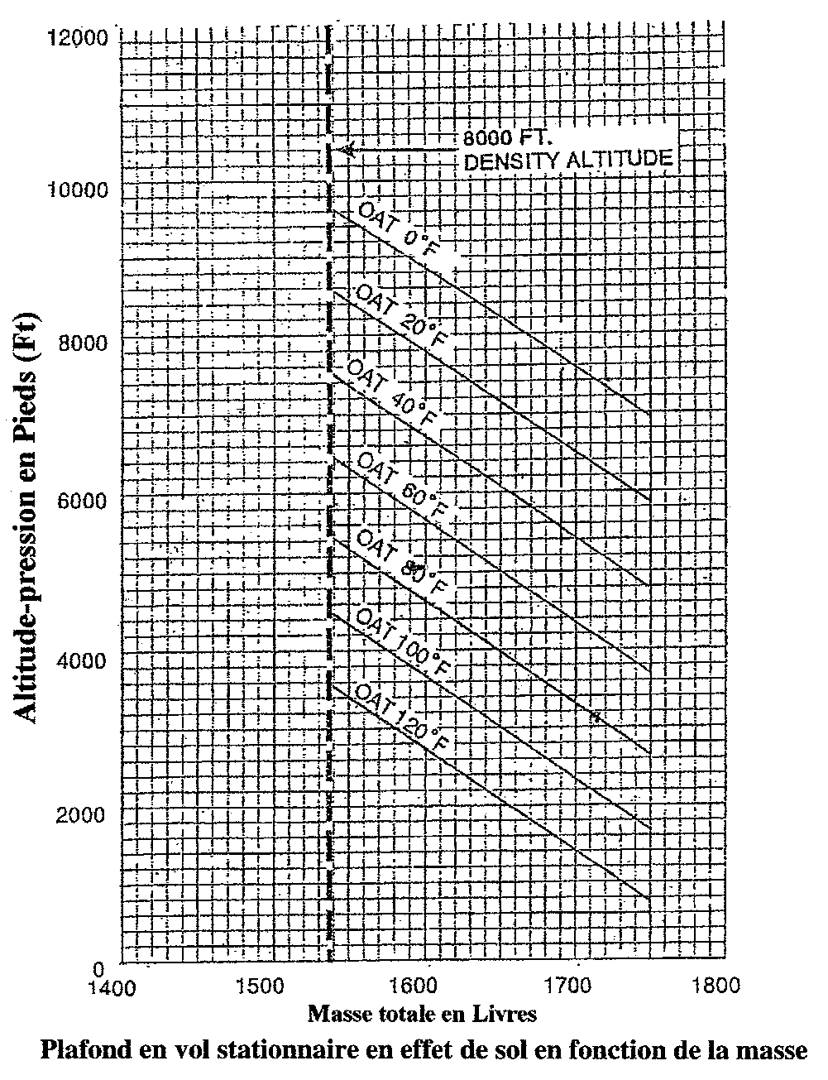
HIGE (2700 rpm), TAKE OFF POWER, skid 2 ft gnd
full rich, upper muffler installed, no abrasion tape
Lateral vs. longitudinal C.G. limits
 | weight and balance
237.31170651 | 9956 | -0.33 | 99.70 | -0.33 | 99.70
MAX 1'750 lbs
 |  |  |  |  |  |  |  | US Gall. | litres | Estimation Temps de vol |  | Act TOM
 |  |  |  |  |  |  |  | jauge | jauge | 10 USG = réserve (45 ') |  | fuel only
 |  |  |  |  |  |  |  |  |  | prévoir retour base avec 10 USG
 |  |  |  |  |  |  |  | 10 | 37.9 | 0 |  | 1270 lbs
 |  |  |  |  |  |  |  | 15 | 56.85 | 27' |  | 1300 lbs
MAX LANDING ALTITUDE: 8'000 ft DA
MAX FLIGHT ALTITUDE. 10'000 ft
 |  |  |  |  |  |  |  | 20 | 75.8 | 54' |  | 1330 lbs
 |  |  |  |  |  |  |  | 25 | 94.75 | 81' |  | 1360 lbs
 |  |  |  |  |  |  |  | 30 | 113.7 | 109' |  | 1390 lbs
 |  |  |  |  |  |  |  | 35 | 132.65 | 136' |  | 1420 lbs
 |  |  |  |  |  |  |  | 40 | 151.6 | 163' |  | 1450 lbs
 |  |  |  |  |  |  |  | 45 | 170.55 | 190' |  | 1480 lbs
 |  |  |  |  |  |  |  | 50 | 189.5 | 218' |  | 1510 lbs
 |  |  |  |  |  |  |  | 55 | 208.45 | 245' |  | 1540 lbs
 |  |  |  |  |  |  |  | 60 | 227.4 | 272 |  | 1570 lbs
 |  |  |  |  |  |  |  | 65 | 246.35 | 300' |  | 1600 lbs

 |  |  |  |  |  |  |  | OAT
 |  |  |  |  |  |  |  | F° | C°
 |  |  |  |  |  |  |  | 0 | -18
 |  |  |  |  |  |  |  | 20 | -7
 |  |  |  |  |  |  |  | 40 | 4
 |  |  |  |  |  |  |  | 60 | 16
 |  |  |  |  |  |  |  | 80 | 27
 |  |  |  |  |  |  |  | 100 | 38
 |  |  |  |  |  |  |  | 120 | 49

